Sheet1
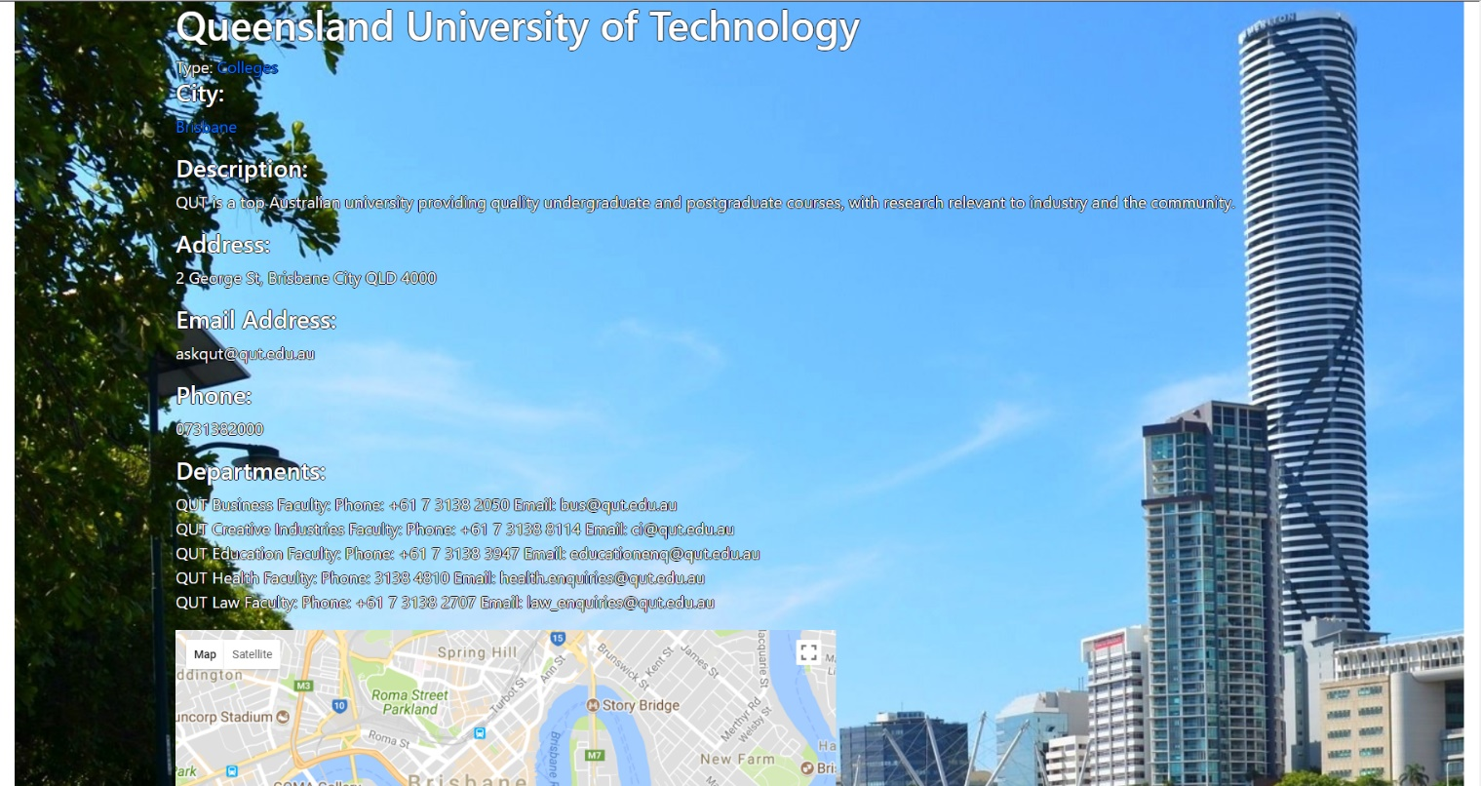
 | Project Name | SmartCity
 | Testing for | Departments (User Story 22)
 | Reference Document | https://docs.google.com/presentation/d/1Wj1gfeDXKx2f4O7jzaHUTRA477gmRZlwqt2R0SlHB9I/edit?usp=sharing
 | Created by | Zhi Choon Ng
 | Date of Creation | 30th October 2017
 | Date of Review | 30th October 2017

Test case ID | Test Objective | Precondition | Steps | Test data | Expected result/Acceptance criteria | Post condition | Test status
TC_S23_01 | A User will be able to view the departments available in a university. | 1. The test machine should be already setup to the run the Django server at http://127.0.0.1:8000 2. User should be logged onto a student type profile. *Can be accessed through admin, but to simulate real test case as a user, a user profile is used instead | 1. As a student, go to the navigation pane and press Cities > Brisbane > College |  | The user will be able to view the departments and their details. |  | Passed
 |  |  |  |  |  |  | Passed
 |  |  |  |  |  |  | Passed

Test Case 1 Result: Viewing the Department of the Universities

